TVS tool for load dump 5a
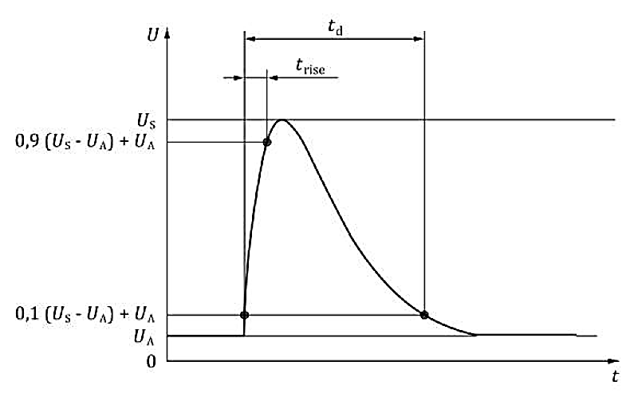
ISO 16750-2 Pulse 5a condition
US |  | 87 | V | Enter ISO 16750-2 US Voltage (Us=Usa-Ua)
UA |  | 14 | V | Enter ISO 16750-2 UA Voltage (12V System = 14V)
Ria |  | 0.5 | Ω | Enter ISO 16750-2 Ria
td |  | 400 | mS | Enter ISO 16750-2 td

Parameters
VBR_max |  | 29.5 | V | Enter TVS VBR_max
VBR_min |  | 26.7 | V | Enter TVS VBR_min
VC |  | 38.9 | V | Enter TVS VC
PPP |  | 6600 | W | SM8S Series (20~24V) DO-218AB Package
TA |  | 25 | ℃ | Enter ambient temperature
Ra |  | 0.15 | Ω | Enter test loop impedance (0.15Ω is recommended)

IPP Calculation Result
Maximum TVS IPP |  | 110 | A | Judgement
Derating | 85% | 93 |  | PASS | 85% derating is recommended
Actual IPP |  | 90

PPP Calculation Result
Maximum TVS PPP |  | 4277 | W | Judgement
Derating | 85% | 3635 |  | PASS | 85% derating is recommended
Actual PPP |  | 3330

